Overview
State | Locality Product | Locality File | Locality | Forecast Overview Link
New South Wales / ACT | IDN11060 | ftp://ftp.bom.gov.au/anon/gen/fwo/IDN11060.xml | Bulahdelah | http://www.bom.gov.au/nsw/forecasts/precis.shtml#NSW_PT257

 | District Product | District File
 | IDN11025 | ftp://ftp.bom.gov.au/anon/gen/fwo/IDN11025.xml

Directions
1 | Select State
2 | This will highlight your Locality Product and Locality File. There is one for each state available in Responsive skin.conf
3 | Localities available for your state will be available for choice in the dropdown in the Locality colum
4 | Select your Locality. This is the locality name you need to use in Responsive skin.conf
5 | Once you select your locality you can then find out which District Forecast file to use
6 | Click the Forecast Overview Link that will direct you to a web page focussed on your locality forecast summary. (See example below)

7 | Click the 'Detailed…' Link
8 | At the bottom of the page you will see 'Product Derived from…', listing one or two identifiers. E.g. For Buladelah, IDN11060 and IDN11025
9 | If there is one ID, then this is the ID for the Forecast product ID. If there is two IDs, one will be the Locality ID, matching that shown above,
 | the other being the district Forecast product ID.
10 | Copy the district Forecast product ID to the 'District Product' cell above.
11 | The District Forecast File will be generated for you. This is the the file that goes in the skin.conf for the Responsive skin
12 | Although it is not important what you call your District Forecast File in skin.conf, looking at the Detailed forecast page,
 | it should show as a bold name above the daily forecast text
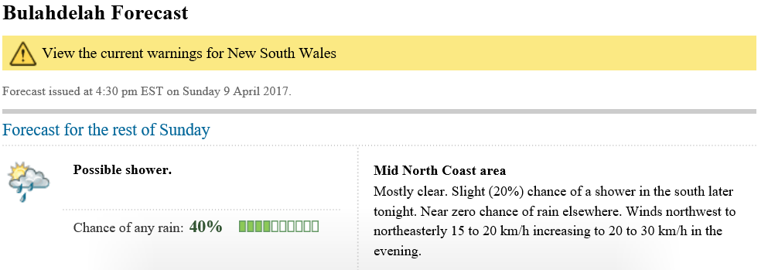

 | For Buladelah this is Min North Coast area, so you may name your District Forecast File MID_NORTH_COAST
 | Your could also inspect the District Forecast File and the description of the area
13 | In summary for Buladehlah, your skin.conf will contain
 | [[xml_files]]
 |  | NSW = ftp://ftp.bom.gov.au/anon/gen/fwo/IDN11060.xml |  | (Usually present)
 | …
 |  | MID_NORTH_COAST=ftp://ftp.bom.gov.au/anon/gen/fwo/IDN11025.xml
 | …
 | [[fc_local]]
 | …
 |  | FC_LOCAL=NSW
 | …
 |  | FC_DISTRICT=MID_NORTH_COAST
 | …
 | [[localities]]
 |  | index_locality=Buladehlah

14 | NOTE: If you have a late version of Excel with Power Query, you can update the quries which drive all the State locality data which drive the spreadsheet

